Original
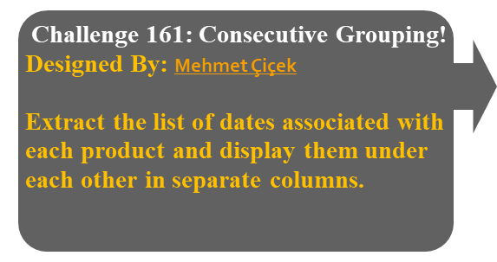
Question |  | Result |  |  |  | https://www.linkedin.com/in/omid-motamedisedeh-74aba166/recent-activity/all/
Date | Product | A | B | C | D
2024-01-20 | A | 2024-01-20 | 2024-02-15 | 2024-03-23 | 2024-04-12
2024-02-15 | B | 2024-03-17 | 2024-03-17 | 2024-04-28
2024-03-17 | A |  | 2024-03-25
2024-03-17 | B |  | 2024-03-27
2024-03-23 | C
2024-03-25 | B
2024-03-27 | B
2024-04-12 | D
2024-04-28 | C

